Indiana Biomedical 27th Annual
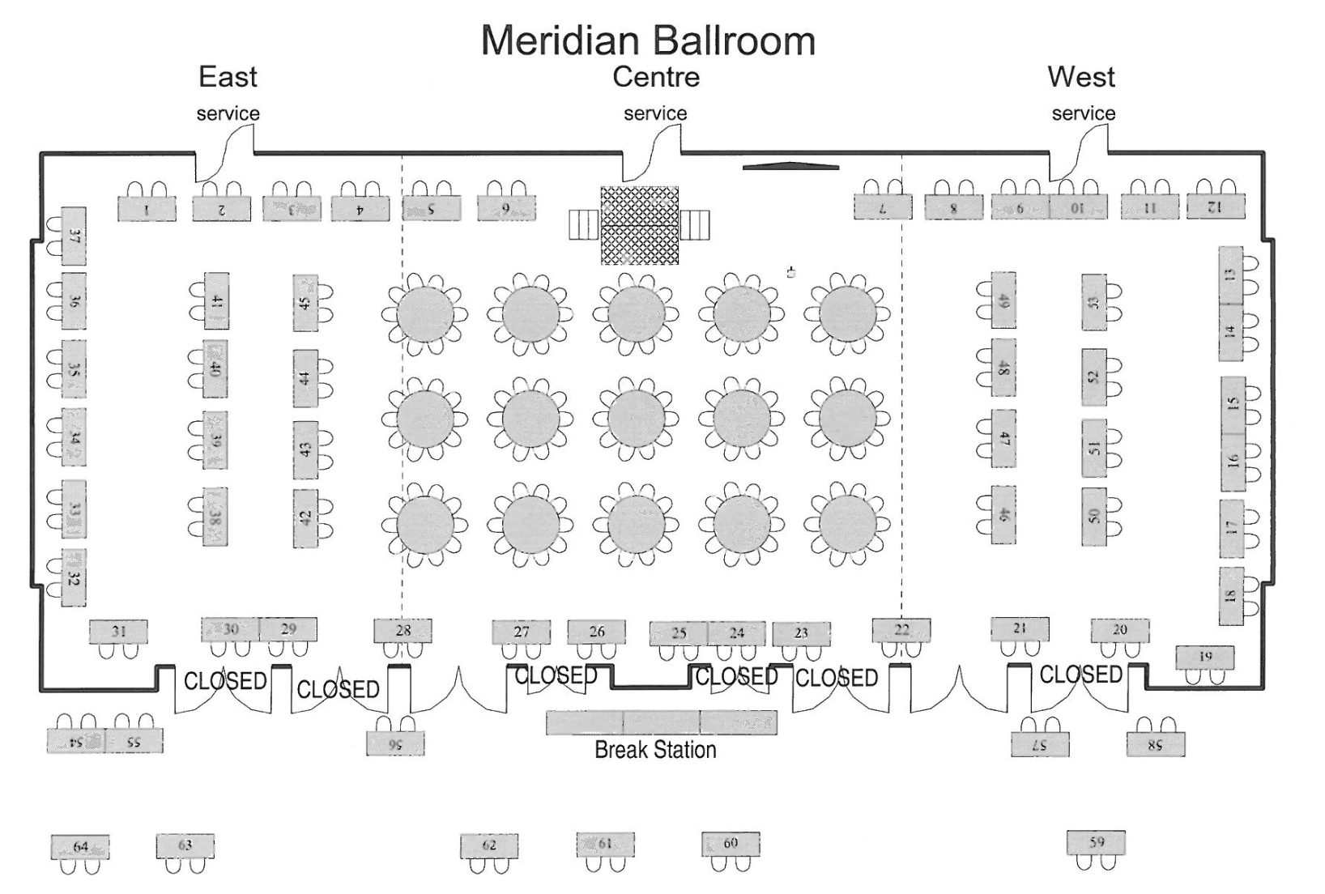
Organization | Booth Assignment
24X7 Magazine | 32
AAMI | 58
Adepto Medical | 23
AIV, Inc | 50
AllParts Medical/Dunlee | 39
Amico Accessories | 7
Aramark | 56
ATS Laboratories | 25
BBC Lighting | 54
BC Group International, Inc | 60
Biomedical Equipment Service Company | 59
Boehringer Laboratories, LLC | 36
Brooks Medical | 33
Connectiv | 20
Conquest Imaging | 21
DirectMed Parts | 42
DOCTORS OXYGEN SERVICE, INC. | 9 & 10
E.E.Equipment Company | 2
Elite Biomedical Solutions | 11
Fluke Biomedical | 3
GCX | 29
GE Healthcare | 24
GENERAL ANESTHETIC SERVICES, INC. | 30
Gopher Medical, INC | 27
Hill-Rom | 63
imtmedical ag | 57
Innovatus Imaging | 51
IntegriTech | 13
Integrity Biomedical Solutions | 14
Interstate All Battery Center | 55
IUPUI | 62
J2S Medical | 61
Masimo | 31
MDISS.ORG | 26
Medisurge | 6
Meridian Medical Systems | 12
Merlin Enterprise | 34
Mobile medical repair and maintenance | 43
MW Imaging | 37
Nihon Kohden America | 38
Nuvolo Technologies | 53
Pacific Medical | 45
Philips | 5
PIONEER BIOMEDICAL INC. | 4
Prescotts Inc. Surgical Microscopes | 44
Probo Medical | 64
Pronk Technologies, Inc. | 41
Qualcommlife/Capsule | 49
reLink Medical | 52
Remi | 18
RepairMED | 47
Replacement Parts Industries (RPI) | 28
RSTI | 8
Sage Services Group | 40
Spacelabs Healthcare | 1
Spectrum Technologies | 17
Technical Prospects | 48
Tenacore Holdings, Inc. | 46
Trace Services, Inc | 35
Tri-Imaging Solutions | 16
TRIMEDX | 15
Trisonics,Inc | 22
USOC Medical | 19

